Sheet1
 |  | Largest | Smallest | Mean | Median | Std. Dev. | Mean | Median | Std. Dev. | Temperature (°C) | Time (h)
Ni4N5_012 | s1 | 198.2 | 7.9 | 66.204255319 | 56.75 | 38.382444225 | 57.862765957 | 49.1 | 34.349721401 | 1200 | 1
 | s2 | 138.7 | 9.3 | 49.521276596 | 41.45 | 30.316998576
Ni4N5_013 | s1 | 154.3 | 15.5 | 58.051923077 | 52.5 | 31.290670729 | 56.809294872 | 51.075 | 29.168437589 | 1250 | 1
 | s2 | 124.7 | 14.2 | 55.566666667 | 49.65 | 27.04620445

Ni4N5_015 | s1 | 208.6 | 20.2 | 72.02 | 57.6 | 43.625635246 | 71.492666667 | 64 | 36.603947848 | 1300 | 1
 | s2 | 183.1 | 1.6 | 70.965333333 | 70.4 | 29.58226045
Ni4N5_021 | s1 | 236.8 | 4.9 | 104.7 | 97.9 | 44.9 | 100.76237624 | 94.7 | 43.508619857 | 1400 | 1
Ni4N5_021 | s2 | 227 | 6.4 | 96.824752475 | 91.5 | 42.117239715

 | Mean | Median | Std. Dev.
1200 | 57.862765957 | 49.1 | 34.349721401
1250 | 56.809294872 | 51.075 | 29.168437589
1300 | 71.492666667 | 64 | 36.603947848
1400 | 100.76237624 | 94.7 | 43.508619857
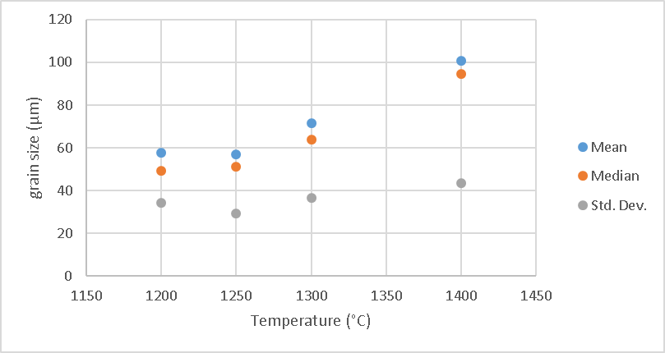

Ni4N5_014 | s1 | 228.7 | 25.4 | 92.858333333 | 87.3 | 40.760774978 | 94.461309524 | 88.575 | 47.771889869 | 1300 | 1
 | s2 | 257.7 | 13.2 | 96.064285714 | 89.85 | 54.783004759

